Week2
Day
 | Questions | Your answer
Monday | what does the pwd command? | The pwd command reports the full path to the current directory.
 | cd | Change directory
 | cp | Coppy command
 | mv | Owerwrite existing file to an other (mv file1.txt file2.txt)
 | ls / dir | ls is a Linux shell command that lists directory contents of files and directories.
 | How can I get the previous command? | with the arrow keys
 | Whick key need for auto complite names? | Tabulator
 | What is your root folder?

Tuesday | What are the 8 base character? (8th depends on layout)
 | what does the man command? | On Linux and other Unix-like operating systems, man is the interface used to view the system's reference manuals.
 | What does the cat command? | Show whats in the file.
 | What does the touch command? | Creating a clear file
 | What does the mkdir command? | Making directory
 | What does the rm command? | Delete file
 | What does the rmdir command? | Removing directory

Wednesday | You have the following folder structure:
 | 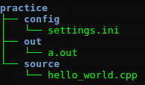

 | You are in the practice folder. Move the a.out file next to hello_world.cpp! What command needed? | cd out, mv a.out source
 | You are in the config folder. Delete the hello_world.cpp! What command needed? | cd . ., cd source, rm hello_world.cpp

Week3
Day
 | Questions | Your answer
Monday | What can we create using by HTML? | The structure of a Web page
 | "HTML is a markup language" What does it mean? | Its a way of presenting content in a structured and logical way to a user
 | <!DOCTYPE html> | The type of the documentum
 | <1> | <html>
 | <2> | <head>
 | </2> | </head>
 | <3> | <body>
 | </3> | </body>
 | </1> | </html>
 | Pair the parts of the HTML elements with their names < h1 class = "page-header" >Title</ h1 > | start tag, attribute name , value , content, end tag
 | How many kind of tags can you use for heading (<h1> - <h?>) | h6
 | Which tag do you use for create a paragraph? | <p>

Tuesday | What does the <img> tag? | Show imiages to the user
 | What is the src attribute for? | Where the image is being stored, the path to the image
 | What is the alt attribute for? | It can be ad a short discription about the text
 | What does the <a> tag? | Link for a page (anchor tag)
 | What is the href attribute for? | hyper reference, referring to the location of the file like CSS file or html file
 | What kind of lists can you create in HTML? Name them:
 | <ul> + <li> | Unordered list
 | <ol> + <li> | Ordered list
 | <dl> + <dt> + <dd> | Definition list
 | What is the <div> tag for? | It divide content into specific sections
 | What are the id and the class attributes for?
 | Which can you use to identify a unique element? | ID is a unique identifer, used once in a page
 | Which can you use to identify multiple elements? | Class is an identifer, wich can be used multiple times
 | Write the three ways of adding CSS to HTML: | Inline styling using the style attribute
 |  | Within <style> tags in the head of the document
 |  | By linking up a stylesheet in the head

Wednesday | What is CSS for? | Controls presentation of HTML
 | What does Default Browser Styles mean? | All browsers apply basic styling to HTML, like Margin, Padding, Font Size Without CSS browsers apply thei own default styles
 | What do the CSS rules target? h1 { color : tomato ;} | All h1 change to color tomato
 | Which is the "selector" and the "rule"?
 | h1 | selector
 | {color: tomato;} | rule

Thursday
 | How can you target the "main-menu" id? | #main-menu
 | How can you target the "menu-item" class? | .main-menu
 | What happens when CSS conflict occur? | When conflicts like this occur, the declaration with the most weight or specific is used.
 | What is cascading order? | Always the last rule applies stay in command
 | 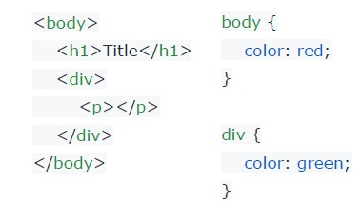
 | Name the <body> tag's child elements | h1 and div elements
 | Name the <body> tag's grandchild element | The p tag
 | Name the <p> tag's parent element | The div element
 | Name the <p> tag's grandparent element | They havent got a grandparent element.
 | What color is the <h1> tag? | red
 | What color is the <p> tag? | green
 | 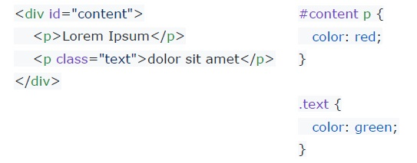
 | What color is the <p> tags? | first red second green
 | How can you target multiple elements? | We can use the , sign like a list of the items we want to change
 | What are the descendant selectors? What is their syntax? | The descendant selector matches all elements that are descendants of a specified element.

Friday | 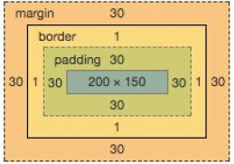 What are the parts of the box model?
 | margin: | 30
 | border: | 1
 | padding: | 30
 | element (width, height): | 200*150

